Census
2020 Population and housing Census - Education key indicators

 |  |  |  |  | Currently attending an educatonal institution by Sex and province
 |  |  |  |  | Region | Total | Male | Female
 |  |  |  |  | Vanuatu | 87,054 | 44,651 | 42403
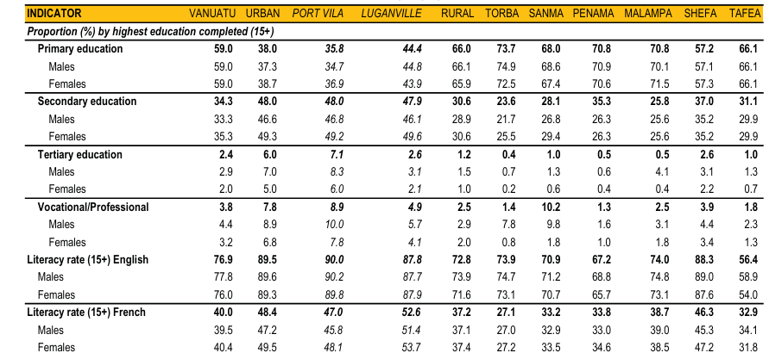
 |  |  |  |  | Uban | 19,634 | 9,864 | 9,771
 |  |  |  |  | Rural | 67,419 | 34,787 | 32,632
 |  |  |  |  | Torba | 3,063 | 1,551 | 1,512
 |  |  |  |  | Sanma | 12,450 | 6,566 | 5,884
 |  |  |  |  | Penama | 9,759 | 5,025 | 4,734
 |  |  |  |  | Malampa | 13,033 | 6,650 | 6,383
 |  |  |  |  | Shefa | 15,566 | 7,943 | 7,624
 |  |  |  |  | Tafea | 13,549 | 7,054 | 6,495

 |  |  |  |  | Currently attending an educational institution by education level (3+)
 |  |  |  | Total | Preschool | Kindy ( ECCE) | Primary | Junior Secondary | Senior Secondary | Post Secondary | Tertiary | Other | Not stated
 |  |  |  | 87,054 | 1,845 | 12,225 | 43,029 | 16,530 | 7,756 | 659 | 2,146 | 28 | 2,835
 |  |  | Female | 42,403 | 910 | 5,920 | 20,793 | 8,083 | 3,929 | 284 | 1,112 | 7 | 1,363
 |  |  | Male | 44,651 | 934 | 6,305 | 22,236 | 8,447 | 3,827 | 376 | 1,033 | 21 | 1,472
 |  |  | Urban | 19,634 | 282 | 2,331 | 8,229 | 3,574 | 2,793 | 345 | 1,517 | 8 | 555
 |  |  | Rural | 67,419 | 1,563 | 9,895 | 34,799 | 12,956 | 4,963 | 315 | 629 | 20 | 2,279
 |  |  | Torba | 3,063 | 80 | 509 | 1,606 | 584 | 148 | 4 | 8 | 2 | 122
 |  |  | Sanma | 12,450 | 288 | 2,005 | 6,693 | 2,216 | 862 | 51 | 52 | 2 | 280
 |  |  | Penama | 3,759 | 226 | 1,547 | 5,330 | 1,710 | 509 | 18 | 67 | - | 351
 |  |  | Malampa | 13,033 | 365 | 1,968 | 6,684 | 2,528 | 822 | 50 | 69 | 3 | 543
 |  |  | Shefa | 1,566 | 304 | 2,223 | 7,906 | 2,979 | 1,377 | 162 | 354 | 8 | 254
 |  |  | Tafea | 13,549 | 300 | 1,642 | 6,581 | 2,938 | 1,245 | 30 | 79 | 4 | 730

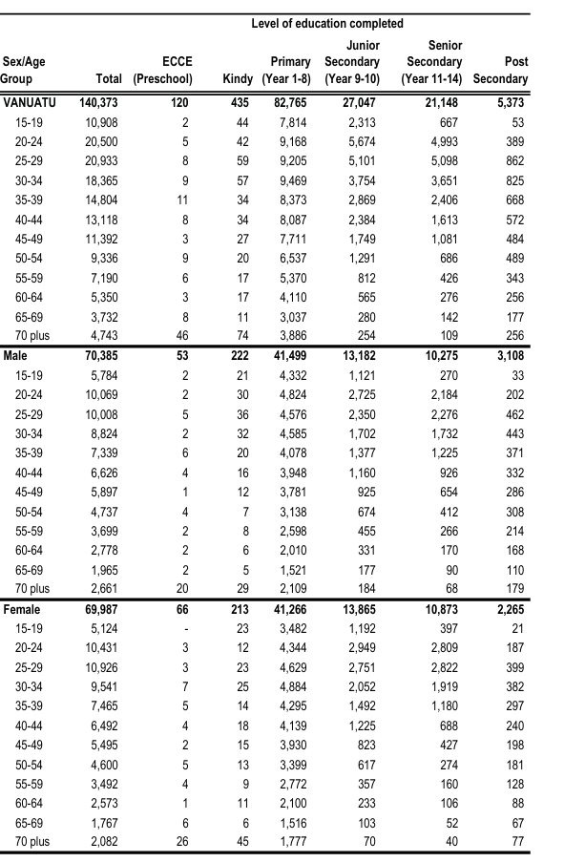
 |  |  | Highest level of education or education attainment (15+)
 |  |  | Region | Total | Torba | Sanma | Penama | Malampa | Shefa | Tafea
 |  |  | Vanuatu | 140,373 | 5,243 | 20,196 | 15,454 | 20,680 | 28,725 | 14,674
 |  |  | Preschool (ECCE) | 120 | 8 | 39 | 12 | 27 | 9 | 9
 |  |  | Kindy | 435 | 32 | 103 | 67 | 72 | 35 | 81
 |  |  | Primary | 13,458 | 3,866 | 13,735 | 10,936 | 14,643 | 16,340 | 9,696
 |  |  | Junior Secondary | 27,047 | 808 | 3,609 | 2,652 | 3,437 | 5,999 | 2,672
 |  |  | Senior Secondary | 21,148 | 427 | 2,057 | 1,500 | 1,877 | 4,370 | 1,805
 |  |  | Post Secondary | 5,373 | 72 | 445 | 206 | 510 | 1,107 | 262
 |  |  | Bachelor Degree | 2,038 | 17 | 65 | 53 | 61 | 391 | 55
 |  |  | Post Graduate Certificate | 519 | 2 | 72 | 5 | 38 | 193 | 74
 |  |  | Post Graduate Diploma | 207 | 2 | 35 | 8 | 7 | 59 | 10
 |  |  | Masters | 585 | 2 | 25 | 4 | 4 | 105 | 8
 |  |  | doctorate | 72 | 0 | 3 | 2 | 2 | 11 | 2
 |  |  | Other | 65 | 7 | 8 | 10 | 2 | 18 | 1

 | Language of Instruction Receive at educational Institution ( Literacy )
 | Region | Total |  | English |  | French |  | English & French
 |  | Male | Female | Male | Female | Male | Female | Male | Female
 | Vanuatu | 44,651 | 42,103 | 27,848 | 26,396 | 11,726 | 11,286 | 522 | 540
 | Urban | 9,864 | 9,771 | 6,913 | 6,824 | 2,707 | 2,712 | 93 | 116
 | Rural | 34,787 | 32,632 | 20,935 | 19,571 | 9,019 | 8,573 | 429 | 425
 | Torba | 1,551 | 1,512 | 868 | 854 | 276 | 296 | 55 | 49
 | Sanma | 6,566 | 5,884 | 3,837 | 3,450 | 1,732 | 1,535 | 80 | 62
 | Penama | 5,025 | 4,734 | 3,110 | 2,907 | 1,174 | 1,194 | 34 | 46
 | Malampa | 6,650 | 6,383 | 3,149 | 2,953 | 2,049 | 1,993 | 90 | 104
 | Shefa | 7,943 | 7,624 | 5,844 | 5,573 | 1,511 | 1,496 | 118 | 127
 | Tafea | 7,054 | 6,495 | 4,127 | 3,833 | 2,276 | 2,059 | 51 | 37

LFS
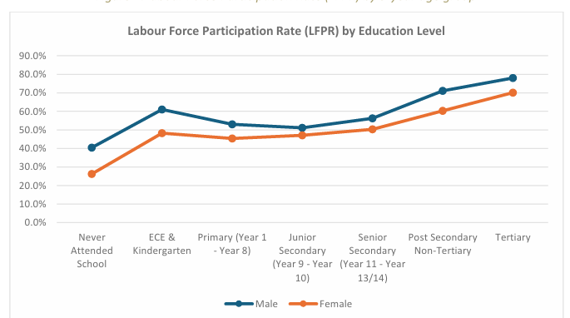
 |  |  |  |  |  | Education attainment (16+) on Labour force participation
Labour -force participants rate by age-group, education attainment , regiona and sex |  |  |  |  |  |  | SEX |  | Region |  | Total
Labour -force participants rate by age-group, education attainment , regiona and sex |  |  |  |  |  | Education Attainment (16+) | Male | Female | Urban | Rural
 | SEX |  | Region |  | Total | Never attended school | 40.5% | 26.3% | 41.2% | 32.2% | 32.6%
 | Male | Female | Urban | Rural |  | ECE & Kindergarten | 61.0% | 48.3% | 63.8% | 54.3% | 54.8%
Total LFPR % | 53.70% | 45.70% | 58.20% | 47.70% | 49.80% | Primary (Year 1 | 53.0% | 45.4% | 60.5% | 47.5% | 49.3%
15-24 | 31.30% | 24.60% | 25.20% | 28.80% | 28.10% | Junior Secondary (Year 9- Year 10) | 51.2% | 47.1% | 54.4% | 47.4% | 49.1%
25-64 | 64.7& | 55.50% | 72.30% | 57.00% | 60.10% | Senior Secondary (Year 11- Year 13/14) | 56.3% | 50.3% | 54.8% | 52.3% | 53.1%
65+ | 38.30% | 30.10% | 40.30% | 33.10% | 32.60% | Post Secondary -Non Tertiary | 71.1% | 60.3% | 62.3% | 68.4% | 66.9%
 | Source :labour force survey , Vbos |  |  |  |  | Tertiary | 78.0% | 70.1% | 75.5% | 73.8% | 74.7%
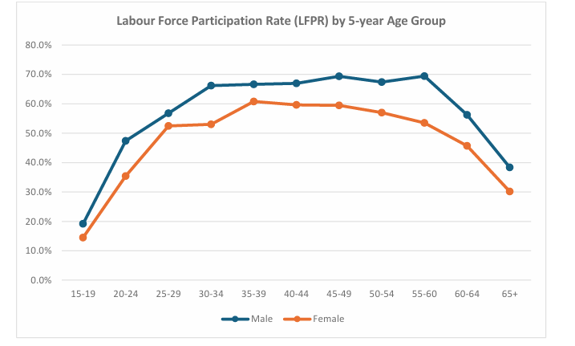
 |  |  |  |  |  | Source: LFS, Vbos

